Hiearchy View
CLASS: TRACK
The track on a railway or railroad, also known as the permanent way, is the structure consisting of the rails, fasteners, railroad ties and ballast, plus the underlying subgrade. |  | 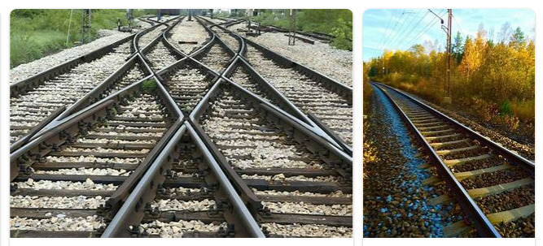
REMOVE | N

PROBLEM_DESC | CAUSE_DESC | REMEDY_DESC
ALARM/SENSOR
BROKEN/DAMAGED
OTHER PROBLEM
POWER-ELEC
STOPPED/SLOWED/POOR OPS
VIBRATION
Grand Total

